Assignment 1
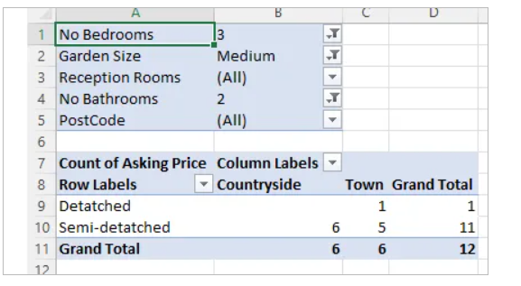
Assignment 1 | Pivot table Output snapshot-
Create a pivot table of the property portfolio to show:
The asking price as the value field;
The type of property in the rows;
The location in the columns;
The remaining fields in the filter area.

Change the filters and aggregate functions to show a count of properties that have:
3 bedrooms;
A medium garden; and
2 bathrooms.

Assignment 2
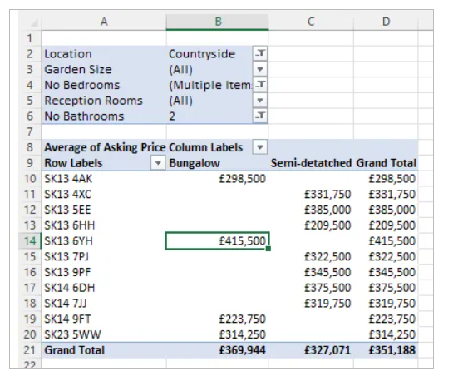
Assignment 1 | Pivot table Output snapshot-
Change your pivot table so that it now shows the average asking price of houses with:
The postcode of the property in the rows;
The type of property in the columns; and
The remaining fields in the filter area.
Change the filters to show the average asking price of properties that have:
2 bathrooms;
2 or 3 bedrooms; and
which are in the countryside

Assignment 3
Assignment 3 |  | Output snapshot
Create a new pivot table on a new worksheet to show the following:
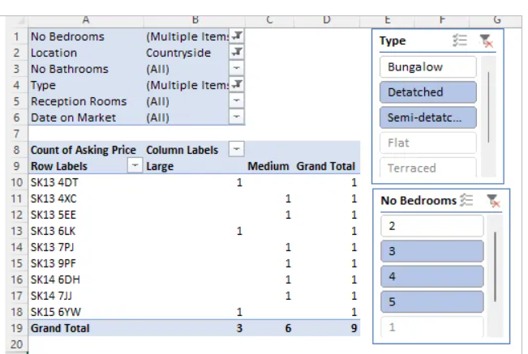
Part of pivot table | What to show
Row labels | Postcodes
Column labels | Garden size
Values | Asking price
Filters | Show only detached houses with 4 or 5 bedrooms

On the Countryside sheet, add 2 slicers and use them to filter to show only:
Detached and semi-detached properties; with
3, 4, or 5 bedrooms.

